Gemini
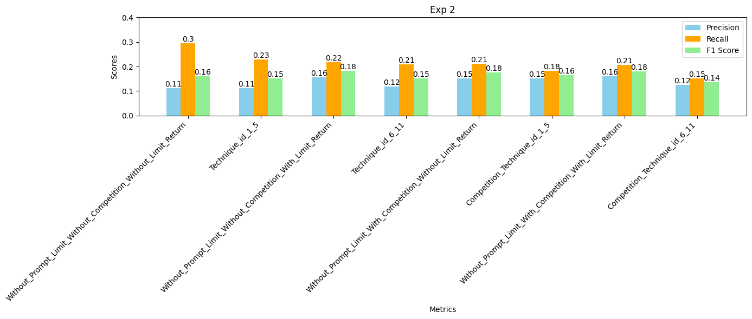
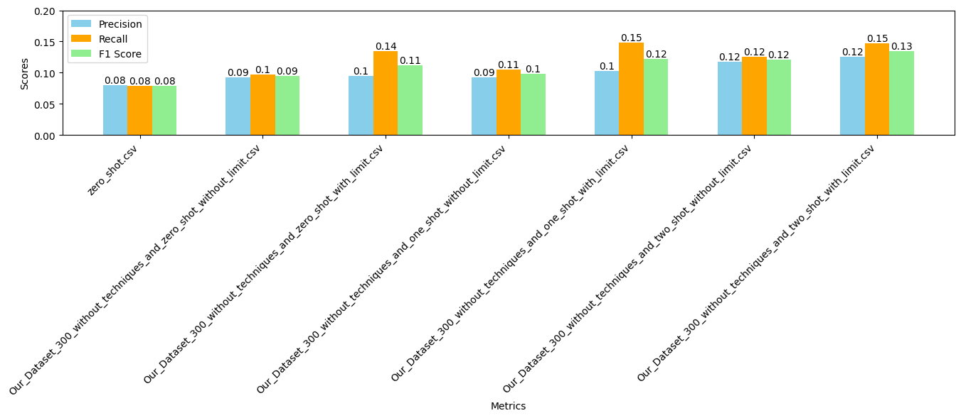
Gemini
Experiments | precision | Recall | F1 score
Nir_Dataset_162_without_techniques_without_limit | 0.14 | 0.12 | 0.13
Nir_Dataset_162_with_techniques_without_limit | 0.09 | 0.24 | 0.13
Nir_Dataset_162_without_techniques_with_limit | 0.16 | 0.2 | 0.18
Nir_Dataset_162_with_techniques_with_limit | 0.23 | 0.32 | 0.21
Our Data Zero Shot | 0.08 | 0.08 | 0.08
Our_Dataset_300_without_techniques_and_zero_shot_without_limit | 0.09 | 0.1 | 0.09
Our_Dataset_300_without_techniques_and_zero_shot_with_limit | 0.1 | 0.14 | 0.11
Our_Dataset_300_without_techniques_and_one_shot_without_limit | 0.09 | 0.11 | 0.1
Our_Dataset_300_without_techniques_and_one_shot_with_limit | 0.1 | 0.15 | 0.12
Our_Dataset_300_without_techniques_and_two_shot_without_limit | 0.12 | 0.12 | 0.12
Our_Dataset_300_without_techniques_and_two_shot_with_limit | 0.12 | 0.15 | 0.13
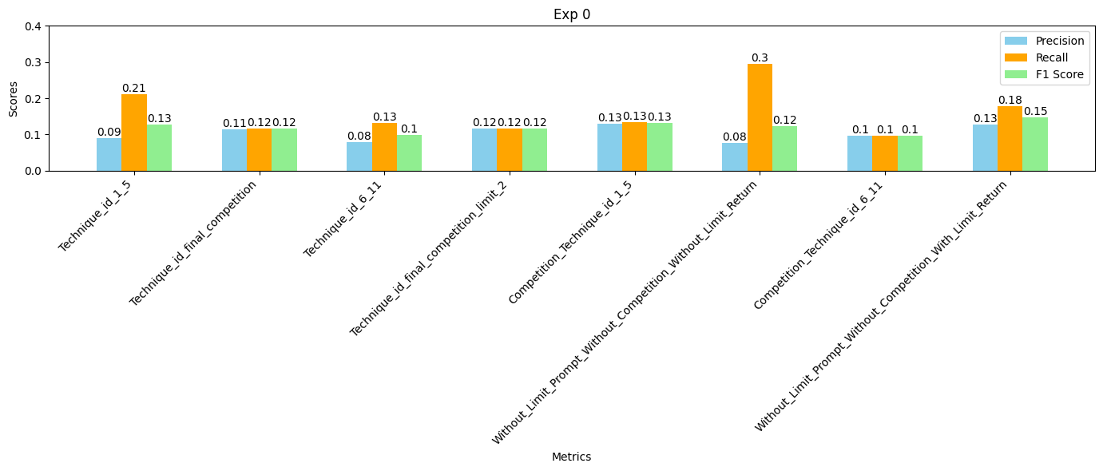
(Zero) Without_Limit_Prompt_Without_Competition_Without_Limit_Return | 0.08 | 0.3 | 0.12
(Zero) With_Limit_Prompt_Without_Competition_Without_Limit_Return | 0.04 | 0.31 | 0.07
(Zero) Without_Limit_Prompt_Without_Competition_With_Limit_Return | 0.13 | 0.18 | 0.15
(Zero) With_Limit_Prompt_Without_Competition_With_Limit_Return | 0.1 | 0.18 | 0.12
(Zero) Without_Limit_Prompt_With_Competition_Without_Limit_Return | 0.18 | 0.22 | 0.2
(Zero) With_Limit_Prompt_With_Competition_Without_Limit_Return | 0.13 | 0.24 | 0.17
(Zero) Without_Limit_Prompt_With_Competition_With_Limit_Return | 0.18 | 0.22 | 0.2
(Zero) With_Limit_Prompt_With_Competition_With_Limit_Return | 0.15 | 0.24 | 0.18
(One) Without_Limit_Prompt_Without_Competition_Without_Limit_Return | 0.1 | 0.3 | 0.16
(One) With_Limit_Prompt_Without_Competition_Without_Limit_Return | 0.04 | 0.35 | 0.08
(One) Without_Limit_Prompt_Without_Competition_With_Limit_Return | 0.15 | 0.22 | 0.18
(One) With_Limit_Prompt_Without_Competition_With_Limit_Return | 0.12 | 0.21 | 0.15
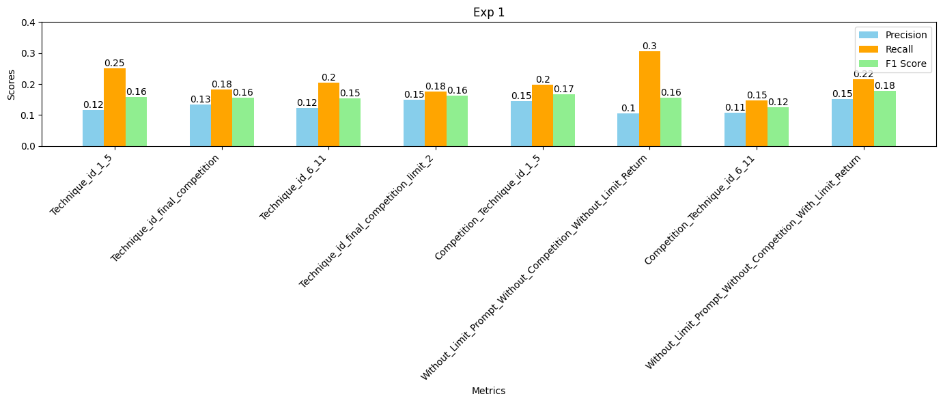
(One) Without_Limit_Prompt_With_Competition_Without_Limit_Return | 0.16 | 0.22 | 0.18
(One) With_Limit_Prompt_With_Competition_Without_Limit_Return | 0.11 | 0.26 | 0.15
(One) Without_Limit_Prompt_With_Competition_With_Limit_Return | 0.16 | 0.2 | 0.17
(One) With_Limit_Prompt_With_Competition_With_Limit_Return | 0.12 | 0.22 | 0.16
(Two) Without_Limit_Prompt_Without_Competition_Without_Limit_Return | 0.1 | 0.28 | 0.15
(Two) With_Limit_Prompt_Without_Competition_Without_Limit_Return | 0.05 | 0.33 | 0.09
(Two) Without_Limit_Prompt_Without_Competition_With_Limit_Return | 0.15 | 0.22 | 0.18
(Two) With_Limit_Prompt_Without_Competition_With_Limit_Return | 0.12 | 0.23 | 0.16
(Two) Without_Limit_Prompt_With_Competition_Without_Limit_Return | 0.16 | 0.21 | 0.18
(Two) With_Limit_Prompt_With_Competition_Without_Limit_Return | 0.1 | 0.25 | 0.14
(Two) Without_Limit_Prompt_With_Competition_With_Limit_Return | 0.16 | 0.19 | 0.18
(Two) With_Limit_Prompt_With_Competition_With_Limit_Return | 0.11 | 0.2 | 0.14
 | 0.23 | 0.35 | 0.21

GPT
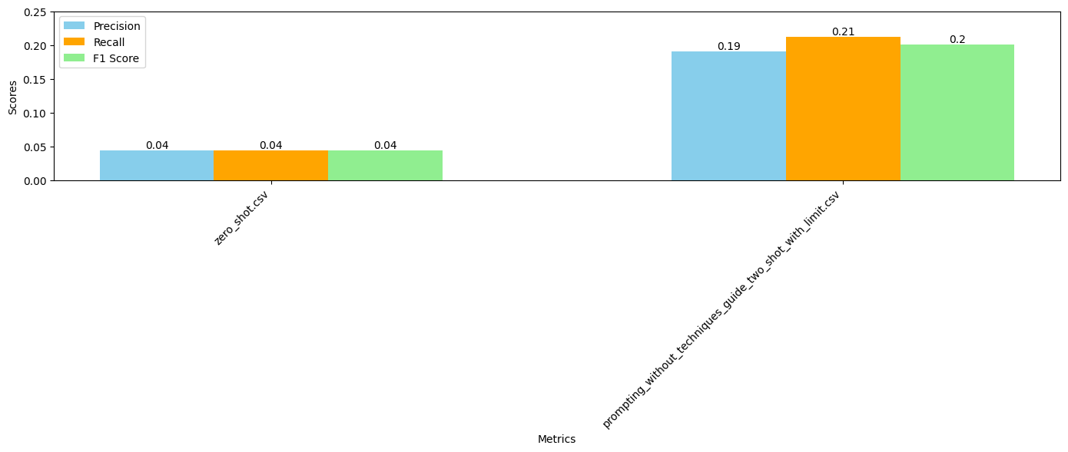

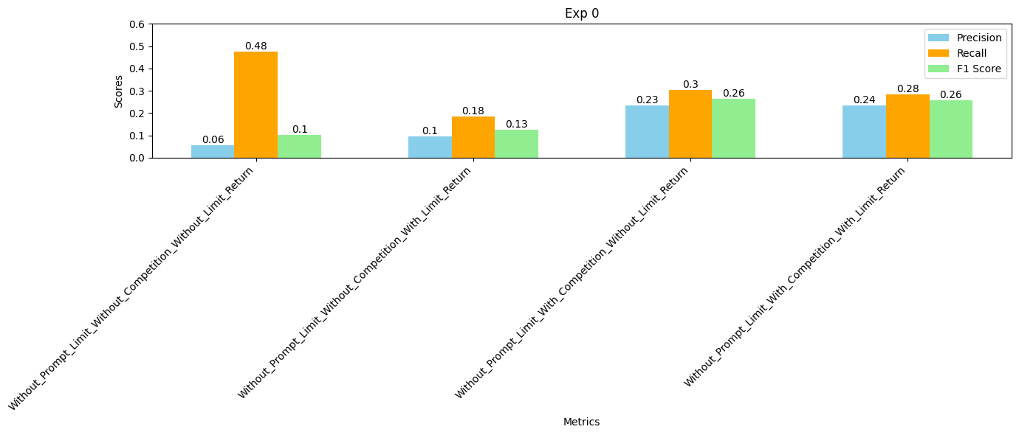

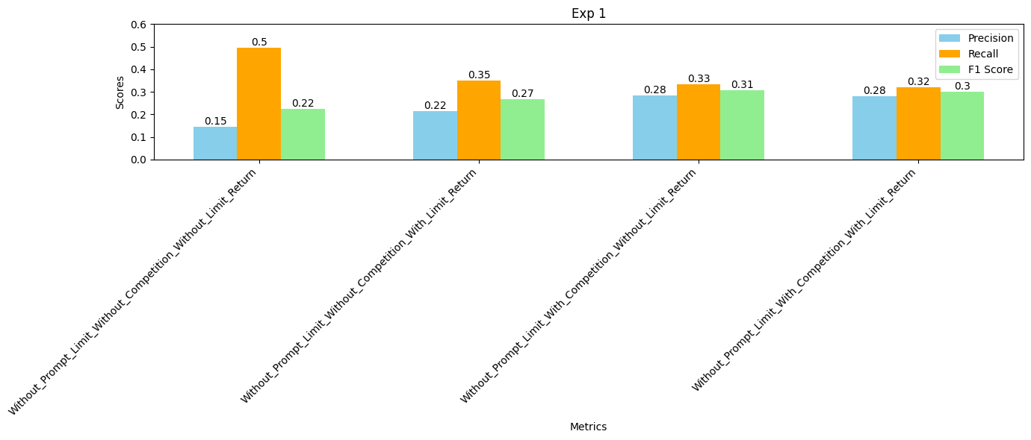

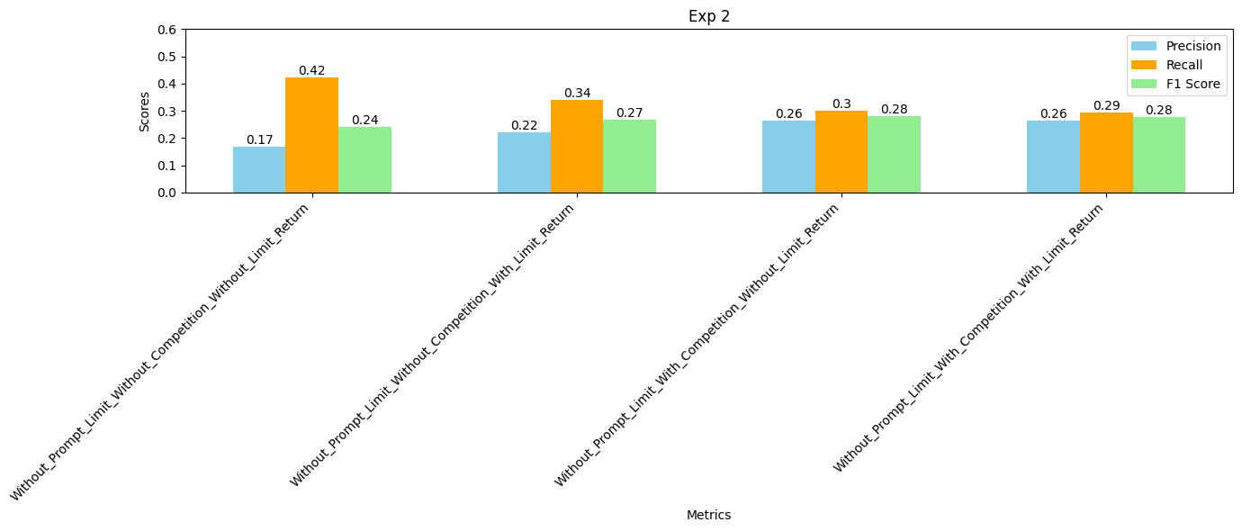

CLAUDE
